Sheet1
1 | Methjod ID 1 set flag NVM_test_flag=4; Format EEPROM (magic byte + clear data area) then reset MCU; A-->> M method request from coreA MCU Reset ; g_diagRecord_Debug.rx.buffer[4][0] =0x29, 0x1, 0x2E, 0x1, 0x5, 0x0, 0x0, 0x4, 0x0, 0x0, 0x0, 0x0, | 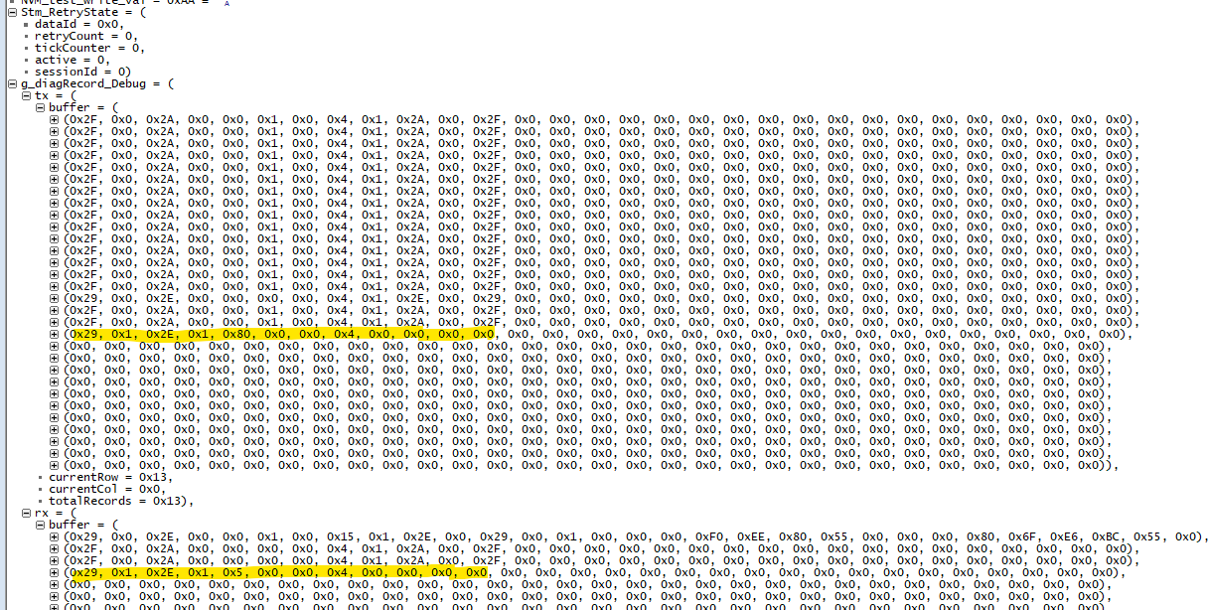 link state connected channel state connected g_diagRecord_Debug.appLinkState[3] =PICC_LINK_CONNECT g_diagRecord_Debug.appLinkState[4] =PICC_LINK_CONNECT A ->>M Requet 0x29, 0x1, 0x2E, 0x1, 0x80, 0x0, 0x0, 0x4, 0x0, 0x0, 0x0, 0x0 M ->>A response 0x29, 0x1, 0x2E, 0x1, 0x80, 0x0, 0x0, 0x4, 0x0, 0x0, 0x0, 0x0
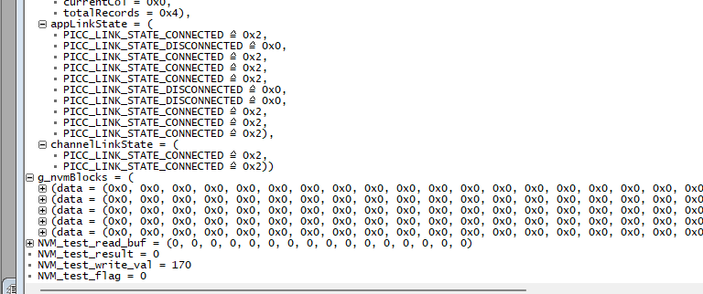
2

 | Methjod ID 2 set flag NVM_test_flag =4; then reset MCU | M Coe receive A wirte EEPROM Reuqest : (dataid =0x1100) 0x29, 0x2, 0x2E, 0x2, 0x5, 0x0, 0x0, 0x12, 0x11, 0x0, 0x0, 0x1, 0x2, 0x3, 0x4, 0x5, 0x6, 0x7, 0x8, 0x9, 0x0A, 0x0B, 0x0C, 0x0D, 0x0E, 0x0F, then check result ; g_nvmBlocks[0].data =0x0, 0x1, 0x2, 0x3, 0x4, 0x5, 0x6, 0x7, 0x8, 0x9, 0x0A, 0x0B, 0x0C, 0x0D, 0x0E, 0x0F | 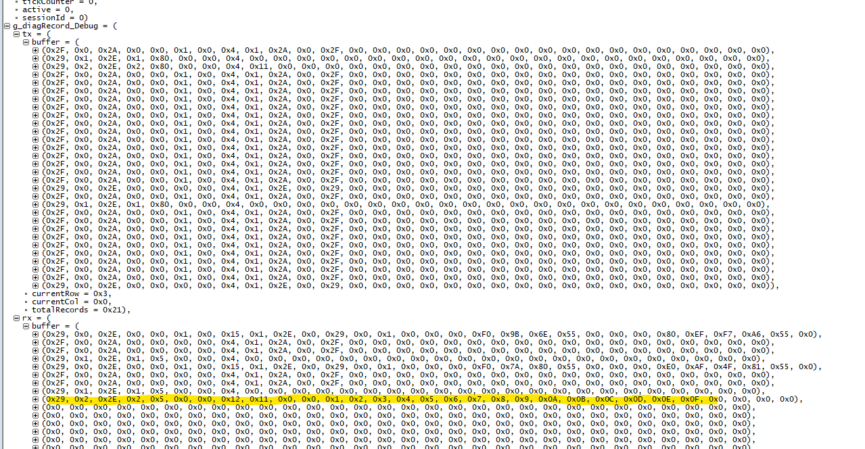

 | reset MCU Then set NVM_test_flag =2 to read EEPROM | NVM_test_read_buf = (0, 1, 2, 3, 4, 5, 6, 7, 8, 9, 10, 11, 12, 13, 14, 15)

EEPROM_Test
 |  | expected result
1 | Methjod ID 4 set flag NVM_test_flag =4; then reset MCU NVM_test_write_val=1 then set flag NVM_test_flag =1 | NVM_test_result =0 M core will send IPCF Message to core A: (0x2F, 0x4, 0x2A, 0x1, 0x5, 0x0, 0x0, 0x12, 0x11, 0x0, 0x1, 0x2, 0x3, 0x4, 0x5, 0x6, 0x7, 0x8, 0x9, 0x0A, 0x0B, 0x0C, 0x0D, 0x0E, 0x0F, 0x10, 0x0, 0x0, 0x0, 0x0), A core will respons return ok 0x2F, 0x4, 0x2A, 0x1, 0x80, 0x0, 0x0, 0x4, 0x11, 0x0, 0x0, 0x0, 0x0, | 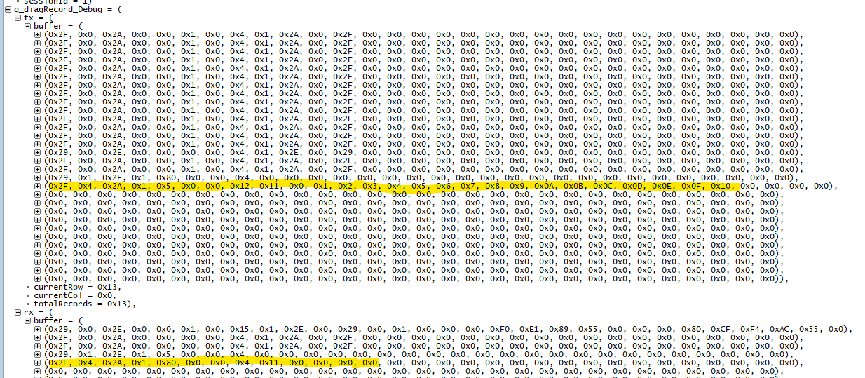
2 | set flag NVM_test_flag =2 | NVM_test_read_buf[] ={1,2,3,4,5,6,7,8,9,10,11,12,13,14,15,16}
3 | mcu reset then wait app connected; set flag NVM_test_flag =2 | NVM_test_read_buf[] ={1,2,3,4,5,6,7,8,9,10,11,12,13,14,15,16}
4 | set flag NVM_test_flag =3 | M core will send IPCF Message Method Id = 05 to core A: 0x2F, 0x5, 0x2A, 0x2, 0x5, 0x0, 0x0, 0x4, 0x11, 0x0, 0x0, 0x0, 0x0 A core will respons IPCF Message Method Id = 05 to core M: (0x2F, 0x5, 0x2A, 0x2, 0x80, 0x0, 0x0, 0x14, 0x11, 0x0, 0x0, 0x0, 0x1, 0x2, 0x3, 0x4, 0x5, 0x6, 0x7, 0x8, 0x9, 0x0A, 0x0B, 0x0C, 0x0D, 0x0E, 0x0F, 0x10, | 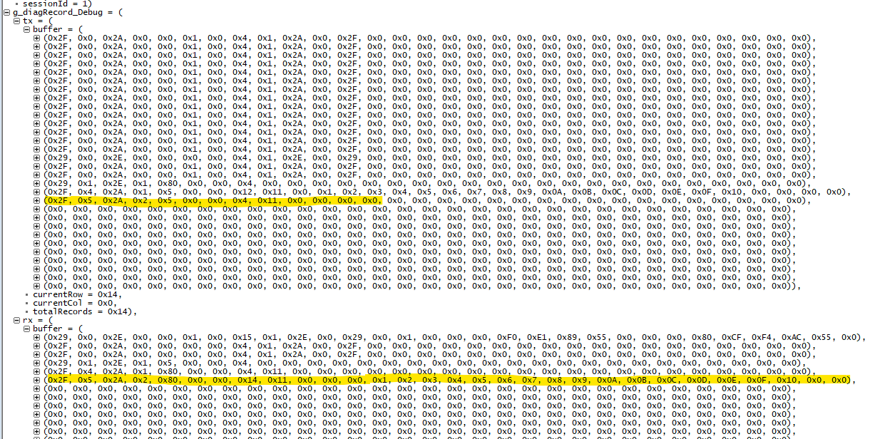
5 | mcu reset then wait IPCF app connected; then set flag NVM_test_flag =3 | M core will send IPCF Message Method Id = 05 to core A: 0x2F, 0x5, 0x2A, 0x2, 0x5, 0x0, 0x0, 0x4, 0x11, 0x0, 0x0, 0x0, 0x0 A core will respons IPCF Message Method Id = 05 to core M: (0x2F, 0x5, 0x2A, 0x2, 0x80, 0x0, 0x0, 0x14, 0x11, 0x0, 0x0, 0x0, 0x1, 0x2, 0x3, 0x4, 0x5, 0x6, 0x7, 0x8, 0x9, 0x0A, 0x0B, 0x0C, 0x0D, 0x0E, 0x0F, 0x10, | 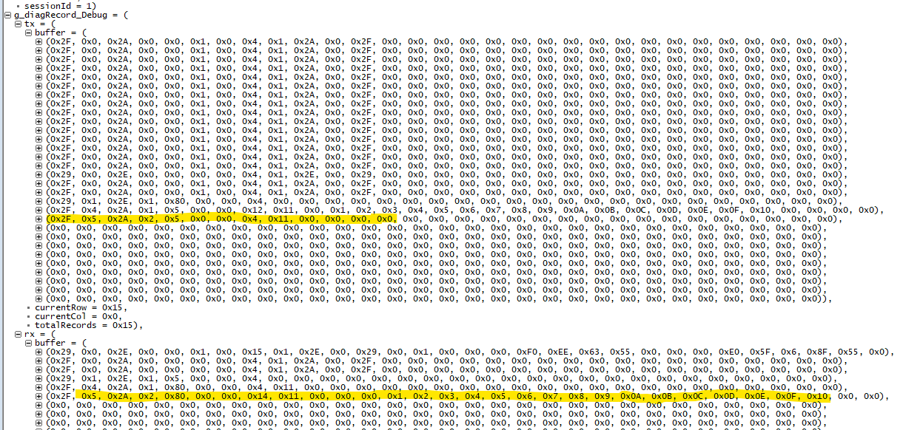
6

